Chart
None considered | - |  |  | Total of papers considered:
PLANNING | P | 35 | 47.95% | 73
ALLOC | A | 20 | 27.40%
SCH | SCH | 11 | 15.07%
 | P-A | 3 | 4.11%
 | P-SCH | 4 | 5.48%
 | A-SCH | 4 | 5.48%
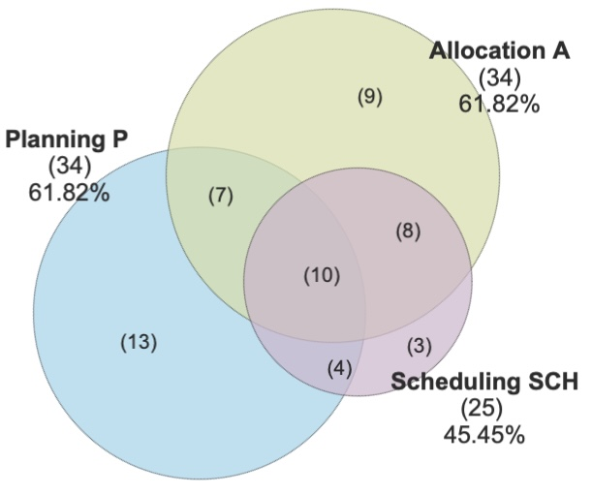
 | P-A-SCH | 0 | 0.00%

